About
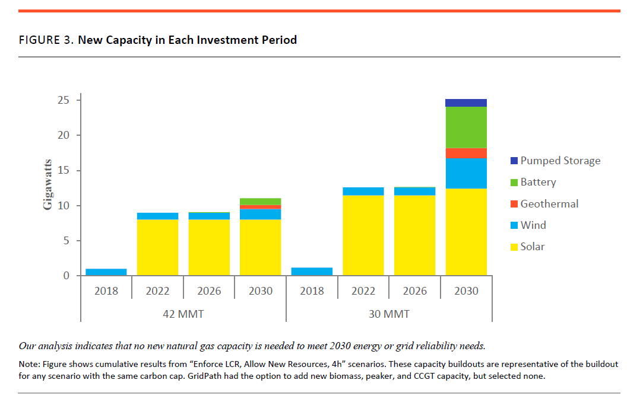
PMCCS Policy Mandated Capacity Construction Schedule

Source: | Union of Concerned Scientists
 | Turning Down the Gas in California The Role of Natural Gas in the State’s Clean Electricity Future
 | Aug-18
 | https://www.ucsusa.org/sites/default/files/attach/2018/08/Turn-Down-Technical-Appendix.pdf

Note:
This variable is used to specify the electricity generating capacity
in MW that will be built each year in the policy case when the
"Boolean Use Non BAU Mandated Capacity Construction Schedule"
policy is enabled.

With this policy, we add the geothermal capacity discussed next.

Further explanation below. We calculate here the amount in the 2027-2030 time period assuming
equal investment across each year. |  | 1.5 GW | 375 MW over four years
 |  |  | 375

In the “30 MMT, Enforce LCR, Allow New Resources, 4h” scenario, GridPath selects approximately
12.4 GW solar, 4.3 GW wind, 5.9 GW batteries (with an average duration of about four hours),
1.5 GW geothermal, and 1.1 GW pumped hydro (with an average duration of about 12 hours) by 2030.
In this case as well, the model selects these resources at different times. To take

advantage of expiring tax credits, 1.1 GW of wind is selected in 2018 and 11.4 GW of solar is selected in 2022; nearly all the remainder is added in 2030 (Figure 3).

